Excel-Section A
 | EXCEL SECTION A

 | Answer the below questions (Time: 10 minutes) |  | Delhi

Q.1) | Extract the Country, Region/State and City from the given key string

 | Key String | Country | Region/State | City
 | India-Delhi-Delhi | India | Delhi | Delhi
 | India-Karnataka-Bengaluru | India | Karnataka | Bengaluru
 | India-Maharashtra-Mumbai | India | Maharashtra | Mumbai
 | India-Telangana-Hyderabad | India | Telangana | Hyderabad
 | India-Tamil Nadu-Chennai | India | Tamil Nadu | Chennai
 | India-West Bengal-Kolkata | India | West Bengal | Kolkata
 | India-Andhra Pradesh-Visakhapatnam | India | Andhra Pradesh | Visakhapatnam
 | USA-District of Columbia-Washington | USA | District of Columbia | Washington
 | USA-New York-New York | USA | New York | New York
 | USA-California-Los Angeles | USA | California | Los Angeles
 | USA-Illinois-Chicago | USA | Illinois | Chicago
 | USA-Texas-Houston | USA | Texas | Houston
 | USA-Massachusetts-Boston | USA | Massachusetts | Boston

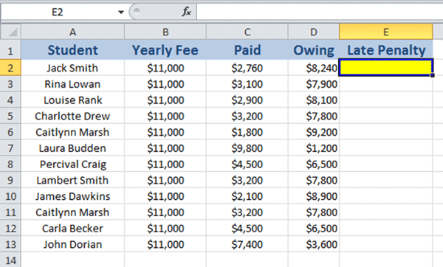
Q.2)
 |  |  |  | Study the screenshot above. Which of the formulas in the options listed below, when entered into the cell highlighted (E2) in yellow in this screenshot, will add a Late Penalty of $500
 |  |  |  | to the student’s Owing amount, if they still owe $5,000 or more on their yearly fees? This formula can then be copied down to the cells below the highlighted cell.
 |  |  |  |  | a) =SUMIF(D2>=5000,D2+500)
 |  |  |  |  | b) =IF(>=5000,D2=500)
 |  |  |  |  | c) I=SUMIF(D2>=5000,500)
 |  |  |  |  | d) =IF(D2>=5000,D2+500)

 |  |  |  | Ans | D

Q.3) | Paul entered the following formula into a cell but it keeps popping up with an error. The formula he entered is: =IF(B9>500,IF(F9="Yes",B9*B20,B9*B21)"Empty"). Which of the following is the corrected version?
 | a) =IF(B9>500,IF(F9="Yes",B9*B20,B9*B21),"Empty") – the comma before the last argument was missing.
 | b) =IF(B9>500,IF(F9,="Yes",B9*B20,B9*B21)"Empty") – the comma after F9 in the nested IF was missing.
 | c) =IF(B9>500,=IF(F9="Yes",B9*B20,B9*B21)"Empty") – the equal sign before the nested IF was missing.
 | d) None of the options listed above are correct.
Ans | a)

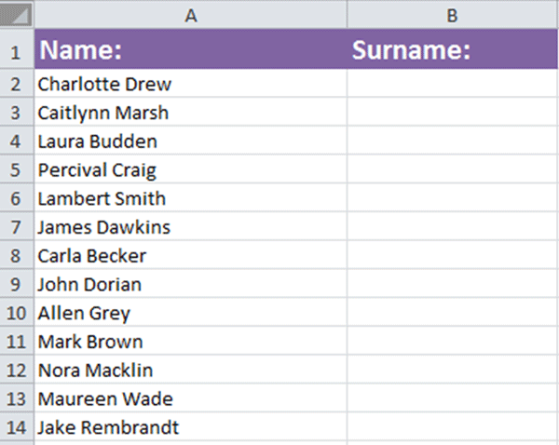
Q.4) |  |  |  | Study the screenshot in left. Which function in Excel can you use to separate the names and surnames contained in column A (Name) so that each surname appears in the adjoining cell in column B (Surname)?
 |  |  |  | a) Use the Concatenate function to separate the names and surnames.
 |  |  |  | b) Use the Trim function to separate the names and surnames.
 |  |  |  | c) Use the Split Column function to separate the names and surnames.
 |  |  |  | d) Use the Text to Columns function to separate the names and surnames.
 |  |  | Ans | d)

Q.5) | Product | MRP | Selling Price | Discount |  | In the table given in left, perform following operations using conditional formatting
 | ZI123 | 294 | 218 | 26% |  | 5.1 | Highlight all MRPs greater than 300
 | ZI124 | 366 | 170 | 54% |  | 5.2 | Highlight all Selling Prices between 180 and 200
 | ZI125 | 288 | 221 | 23% |  | 5.3 | Apply Green White Color Scale in Discount column
 | ZI126 | 326 | 229 | 30% |  | 5.4 | Highlight all products (not MRP and Selling Price) which have MRP > 300 and Selling Prices between 180 and 200
 | ZI127 | 466 | 169 | 64%
 | ZI128 | 250 | 180 | 28%
 | ZI129 | 301 | 183 | 39%
 | ZI130 | 445 | 176 | 60%
 | ZI131 | 487 | 221 | 55%
 | ZI132 | 477 | 248 | 48%
 | ZI133 | 385 | 204 | 47%
 | ZI134 | 285 | 231 | 19%
 | ZI135 | 202 | 157 | 22%
 | ZI136 | 466 | 164 | 65%
 | ZI137 | 435 | 168 | 61%
 | ZI138 | 439 | 151 | 66%
 | ZI139 | 305 | 227 | 26%
 | ZI140 | 390 | 189 | 52%
 | ZI141 | 215 | 165 | 23%
 | ZI142 | 466 | 223 | 52%
 | ZI143 | 282 | 172 | 39%
 | ZI144 | 474 | 222 | 53%
 | ZI145 | 229 | 200 | 13%
 | ZI146 | 415 | 172 | 59%
 | ZI147 | 248 | 194 | 22%
 | ZI148 | 340 | 151 | 56%
 | ZI149 | 354 | 222 | 37%
 | ZI150 | 350 | 221 | 37%
 | ZI151 | 297 | 150 | 49%
 | ZI152 | 373 | 201 | 46%
 | ZI153 | 487 | 167 | 66%

Q.6) | Laura has a list of the SAT scores of over a thousand students. She needs to write to the top 10 students but exclude students that come from specific schools. How can she quickly get this list together?
 | a) Laura can add two levels to Sort by, first sorting by score and then sorting by school.
 | b) Laura can use the Find function to find all the students who attended each school and their score.
 | c) Laura can Sort the scores, cut and paste it into a new sheet and then use the Sort function again to organize them by school.
 | d) Laura can apply a Filter for the top 10 students and a Filter for which schools to exclude from the results.
Ans | d)

